Original
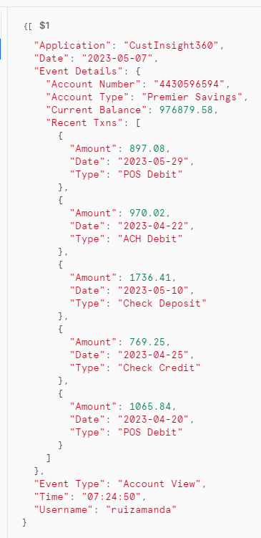
select $1
from @s3_stage_json/import/application_log.json
where $1:"Event Details"."Account Number" = '4430596594'
limit 100;

{ "Application": "CustInsight360", "Date": "2023-05-07", "Event Details": { "Account Number": "4430596594", "Account Type": "Premier Savings", "Current Balance": 976879.58, "Recent Txns": [ { "Amount": 897.08, "Date": "2023-05-29", "Type": "POS Debit" }, { "Amount": 970.02, "Date": "2023-04-22", "Type": "ACH Debit" }, { "Amount": 1736.41, "Date": "2023-05-10", "Type": "Check Deposit" }, { "Amount": 769.25, "Date": "2023-04-25", "Type": "Check Credit" }, { "Amount": 1065.84, "Date": "2023-04-20", "Type": "POS Debit" } ] }, "Event Type": "Account View", "Time": "07:24:50", "Username": "ruizamanda" }

